Headers
First Page Heading
 | User input | auto calculated | From another Table |  | From look up table
STATE OF CALIFORNIA
Envelope Component Approach
NRCC-ENV-E (Created XX/XX) |  |  |  | CALIFORNIA ENERGY COMMISSION
CERTIFICATE OF COMPLIANCE |  |  |  |  | NRCC-ENV-E
This document is used to demonstrate compliance with mandatory requirements in §110.8(g) and §120.7(b) for newly constructed buildings, and §141.0(b)1 for alterations, related to roof, wall and floor assemblies. It is also used to demonstrate compliance with prescriptive requirements in §140.3 for newly constructed buildings, and §141.0 for additions and alterations, related to roof, wall, floor, door, fenestration and daylighting requirements.
Project Name: |  |  |  | Report Page: | Page 1 of ??
Project Address: |  |  |  | Date Prepared:

 | Ben, this is a heading. The project name, address and date prepared should be a user input on the first page, but that should populate the heading on all other pages.

Heading all other pages
STATE OF CALIFORNIA
Envelope Component Approach
NRCC-ENV-E (Created XX/XX) |  |  |  | CALIFORNIA ENERGY COMMISSION
CERTIFICATE OF COMPLIANCE |  |  |  |  | NRCC-ENV-E
Project Name: |  |  |  | Report Page: | Page 1 of ??
Project Address: |  |  |  | Date Prepared:

 | CA Building Energy Efficiency Standards - 2019 Nonresidential Compliance: http://www.energy.ca.gov/title24/2019standards

G. Rated Cool Roof
 | User input |  |  | auto calculated |  |  | From another Table |  | From look-up table

G.RATED ROOFING MATERIAL (COOL ROOF)
[d:OnlyUI] Table Instructions: Complete this table to demonstrate compliance with prescriptive roof material requirements in §140.3(a)1A for new construction or additions, or §141.0(b)2B for alterations. [d:/OnlyUI] [d:OnlyRG] This table demonstrates compliance with prescriptive roof material requirements in §140.3(a)1A for new construction or additions, or §141.0(b)2B for alterations. [d:/OnlyRG]
01 | 02 | 03 | 04 | 05 | 06 | 07 | 08 | 09 |  | 10
Tag/Plan Detail ID | Name/ Description/ Location | Status | Occupancy Type | Roof Slope | Roof Material | Compliance Method | Required Minimum Material Performance | Designed Material Performance |  | U-factor of Assembly
 |  | Dropdown | Dropdown | Dropdown | Dropdown | Dropdown | Reflectance | Reflectance1 |  | dropdown
 |  |  |  |  |  |  | Emittance | Emittance
 |  |  |  |  |  |  | SRI | SRI
1 FOOTNOTE: If Solar Reflectance (Initial) is indicated in column 07, enter the Initial Reflectance here and the form will convert it to a "Calculated Aged Solar Reflectance" when determining compliance. |  |  |  |  |  |  |  | Reset | Add Row | Remove Last
 |  | Status Dropdown | Occ Typ Dropdown | Roof Slope Dropdown | Material Dropdown | Compliance Method Dropdown |  |  |  | Ufactor Assembly Dropdown | resulting SR for column 08
 |  | New | Nonresidential/ Relocatable 1 CZ | <= 2:12 (Low) | To Be Determined | Solar Reflectance (Initial)/ Emittance |  |  |  | <=0.031 | 0.25
 |  | Altered | High-rise Res/ Hotel/ Motel | > 2:12 (Steep) | Asphalt Shingle | Solar Reflectance (Aged)/ Emittance |  |  |  | 0.0311-0.033 | 0.36
 |  |  | Relocatable all CZ |  | Aggregate or Ballast | Solar Reflectance Index (SRI) |  |  |  | 0.0331-0.035 | 0.46
 |  |  |  |  | Bitumen | U-factor Trade-off per Table 141.0-B |  |  |  | 0.0351-0.038 | 0.56
 |  |  |  |  | Field-Applied Coating | NA: Roof-integrated PV or Solar Thermal
 |  |  |  |  | Fluid-Applied Membrane | NA: Weight >= 25lb/ft² over membrane |  |  |  | Ufactor Assembly Dropdown
 |  |  |  |  | Metal | NA: <= 50% roof area & < 2,000ft2 altered |  |  |  | <=0.037 | 0.25
 |  |  |  |  | Metal Shake or Shingle | NA: Demising Roof |  |  |  | 0.0371-0.039 | 0.36
 |  |  |  |  | Paver |  |  |  |  | 0.0391-0.042 | 0.46
 |  |  |  |  | Polymer or Composite | Compliance Method Dropdown |  |  |  | 0.0421-0.045 | 0.56
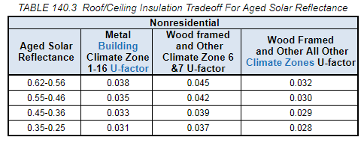
 |  |  |  |  | Single-Ply | Solar Reflectance (Initial)/ Emittance
 |  |  |  |  | Spray Polyurethane Foam | Solar Reflectance (Aged)/ Emittance |  |  |  | Ufactor Assembly Dropdown
 |  |  |  |  | Tile or Slate | Solar Reflectance Index (SRI) |  |  |  | <=0.028 | 0.25
 |  |  |  |  | Wood | NA: Roof-integrated PV or Solar Thermal |  |  |  | 0.0281-0.029 | 0.36
 |  |  |  |  | Metal Building | NA: Weight >= 25lb/ft² over membrane |  |  |  | 0.0291-0.030 | 0.46
 |  |  |  |  |  | NA: <= 50% roof area & < 2,000ft2 altered |  |  |  | 0.0301-0.032 | 0.56
 |  |  |  |  |  | NA: Demising Roof
 |  |  |  |  |  |  |  |  |  | Ufactor Assembly Dropdown
 |  |  |  |  |  | Compliance Method Dropdown |  |  |  | <=0.042 | 0.25
 |  |  |  |  |  | Solar Reflectance (Initial)/ Emittance |  |  |  | 0.0421-0.044 | 0.3
 |  |  |  |  |  | Solar Reflectance (Aged)/ Emittance |  |  |  | 0.0441-0.047 | 0.35
 |  |  |  |  |  | Solar Reflectance Index (SRI) |  |  |  | 0.0471-0.051 | 0.4
 |  |  |  |  |  | U-factor Trade-off per Table 140.3 |  |  |  | 0.0511-0.055 | 0.45
 |  |  |  |  |  | NA: Roof-integrated PV or Solar Thermal |  |  |  | 0.0551-0.060 | 0.5
 |  |  |  |  |  | NA: Weight >= 25lb/ft² over membrane |  |  |  | 0.0601-0.066 | 0.55
 |  |  |  |  |  | NA: Demising Roof |  |  |  | 0.0661-0.075 | 0.60
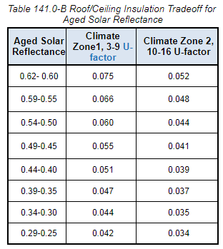
 |  |  |  |  |  | Compliance Method Dropdown |  |  |  | Ufactor Assembly Dropdown
 |  |  |  |  |  | Solar Reflectance (Initial)/ Emittance |  |  |  | <=0.034 | 0.25
 |  |  |  |  |  | Solar Reflectance (Aged)/ Emittance |  |  |  | 0.0341-0.035 | 0.3
 |  |  |  |  |  | Solar Reflectance Index (SRI) |  |  |  | 0.0351-0.037 | 0.35
 |  |  |  |  |  | U-factor Trade-off per Table 140.3 |  |  |  | 0.0371-0.039 | 0.4
 |  |  |  |  |  | NA: Roof-integrated PV or Solar Thermal |  |  |  | 0.0391-0.041 | 0.45
 |  |  |  |  |  | NA: Weight >= 25lb/ft² over membrane |  |  |  | 0.0411-0.044 | 0.5
 |  |  |  |  |  | NA: Wood Frame Roof U <= 0.034 |  |  |  | 0.0441-0.048 | 0.55
 |  |  |  |  |  | NA: Demising Roof |  |  |  | 0.0481-0.052 | 0.60

 |  |  |  |  |  | Compliance Method Dropdown
 |  |  |  |  |  | Solar Reflectance (Initial)/ Emittance
 |  |  |  |  |  | Solar Reflectance (Aged)/ Emittance
 |  |  |  |  |  | Solar Reflectance Index (SRI)
 |  |  |  |  |  | NA: Roof-integrated PV or Solar Thermal
 |  |  |  |  |  | NA: Weight >= 25lb/ft² over membrane
 |  |  |  |  |  | NA: Demising Roof

 |  |  |  |  |  | Compliance Method Dropdown
 |  |  |  |  |  | Solar Reflectance (Initial)/ Emittance
 |  |  |  |  |  | Solar Reflectance (Aged)/ Emittance
 |  |  |  |  |  | Solar Reflectance Index (SRI)
 |  |  |  |  |  | NA: Roof-integrated PV or Solar Thermal
 |  |  |  |  |  | NA: Demising Roof

 |  |  |  |  |  | Compliance Method Dropdown
 |  |  |  |  |  | Solar Reflectance (Initial)/ Emittance
 |  |  |  |  |  | Solar Reflectance (Aged)/ Emittance
 |  |  |  |  |  | NA: Demising Roof

K. Fenestration Schedule
 | User input |  | auto calculated |  | From another Table |  | From look up table

K. FENESTRATION AND GLAZED DOOR SCHEDULE
[d:OnlyUI] Table Instructions: Complete this table to demonstrate compliance with prescriptive fenestration requirements in §140.3(a)5 for new construction or additions, or §141.0(b)2A for alterations. Exterior doors that are more than one-half glass in area are considered Glazed Doors and should be documented on this table with fenestration. [d:/OnlyUI] [d:OnlyRG] This table demonstrates compliance with prescriptive fenestration requirements in §140.3(a)5 for new construction or additions, or §141.0(b)2A for alterations. Exterior doors that are more than one-half glass in area are considered Glazed Doors and should be documented on this table with fenestration. [d:/OnlyRG]
01 | Indicate fenestration types included in the project:1 |  |  | ¨ Vertical (alteration) | ¨ Vertical (new) | ¨ Skylights |  | ¨ Glazed Doors (new only)
1 FOOTNOTE: Fenestration types indicated above as "(new only)" do not have Title 24, Part 6 requirements for alterations. New construction and additions do have requirements and should be clicked above and compliance demonstrated within this table.

Vertical Fenestration and Glazed Doors- Total Building & West Facing Area (New Construction & Additions Only)
01 |  | 02 | 03 | 04 |  | 05 |  |  |  |  | ALTERATIONS:
Elevation Item Tag/ Description |  | Orientation (Azimuth)1 | Gross Exterior Wall Area2 (ft²) | Display Perimeter Length2 (ft) |  | Vertical Fenestration Area per Design3 (ft²)
 |  | (pull down)
 |  |  | Reset | Add Elevation |  | Remove Last
06 | Maximum Allowed Vertical Fenestration (ft2)- All Orientations |  |  | 07 | Total Vertical Fenestration (ft2) per Design- All Orientations
08 | Maximum Allowed Vertical Fenestration (ft2)- West Facing |  |  | 09 | Total Vertical Fenestration (ft2) per Design- West Facing
1 FOOTNOTE: Orientation between 226 deg and 315 deg are considered "West Facing". A diagram has been provided in the Nonresidential Compliance Manual for visual reference.
2 Do not include demising walls per §140.3(a)5.
3 Includes glazed door fenestration area.

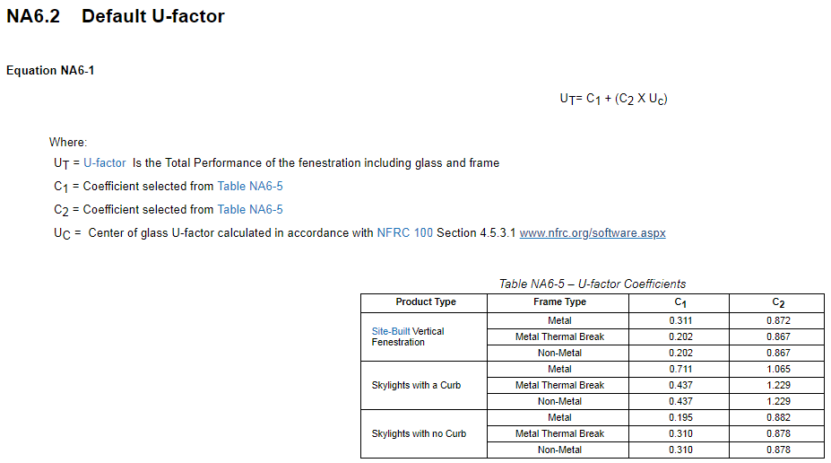
 |  |  |  |  |  |  |  |  |  |  | NA 6 equations & Tables:
Vertical Fenestration- U-factor, Solar Heat Gain Coefficient (RSHGC/SHGC), Visible Transmittance (VT)
01 | ¨ | Calculate Area-Weighted Average U-factor for Vertical Fenestration1
02 | ¨ | Calculate Area-Weighted Average (R)SHGC for Vertical Fenestration1
03 | ¨ | Calculate Area-Weighted Average VT for Vertical Fenestration1
04 | 05 | 06 | 07 | 08 | 09 |  | 10 | 11 | 12 | 13
Tag/Plan ID | Fenestration Type | Occupancy & Status | (R)SHGC Compliance Method | VT Compliance Method | Calculation Method for Performance Values per Design2 |  | Product Performance Unit | Required Product Performance | Product Performance per Design | Area (ft2)

 | (pull down) | (pull down) | (pull down) | (pull down) | (pull down) |  | U-factor (max) | look up
 |  |  |  |  |  |  | (R)SHGC (max) | look up
 |  |  |  |  | ¨ | Overhang used for RSHGC | VT (min) | look up
 | 14 | 15 | 16 | 17 | 18 | 19
 | NA6 Default Calculation
 | Is the Window Projecting?4 | Frame Type | Glazing Type | Product Performance Unit | Center of Glass (COG) Product Performance | Product Performance per NA6
 | (pull down) | (pull down) | (pull down) | U-factor |  | See NA6.2 eq. to right
 |  |  |  | SHGC |  | See NA6.3 eq. to right
 |  |  |  | VT |  | See NA6.4 eq. to right
 | 20 | 21 | 22 | 23 | 24 | 25
 | §110.6 Default Tables
 | Greenhouse/ Garden Window? | Is the Window Projecting?4 | Frame Type | Glazing Type | Glazing Tint | Product Performance per Default 110.6 Tables
 | (pull down) | (pull down) | (pull down) | (pull down) | (pull down) | U-factor | See 110.6 Tables to the right
 |  |  |  |  |  | SHGC | See 110.6 Tables to the right
 |  |  |  |  |  | VT | See NA6.4 values to right
 | 26 | 27 | 28 | 29 | 30 | 31 | 32
 | Overhang Details for RSHGC per §140.3
 | SHGC of Window | Depth (ft) | Height from Bottom of Sill to Overhang (ft) | Left Extent3 (ft) | Right Extent3 (ft) | Orientation | RSHGC
 |  |  |  |  |  | (pull down) | See equation 140.3-A
33 | Total Vertical Fenestration Area using NA6 Default:2 |  |  | equals sum of column 13 for all areas which select "NA6" in column 09. | "COMPLIES" or "DOES NOT COMPLY". Complies if column to the left is < 200ft2, otherwise, DNC.
1 FOOTNOTE: If any individual fenestration product is non-compliant, products may show compliance using an area-weighted calculation. Chromogenic glazing is not included in area-weighted calculations. Area-weighted calculations shown in separate area-weighted table below. |  |  |  |  |  |  |  | Reset | Add Row | Remove Last
2 The NA6 Default Calculation can only be used for buildings with less than 200 ft2 of site built glazing. If the project has greater than 200 ft2, the only options for determining fenestration values are NFRC Certification or the Default Tables in §110.6.
THe equation is cut off to the right here, but it's:
VT = VTF x VTC. Note VTC is user input.
3 Overhangs must extend past the left and right window the same distance as the depth of the overhang or greater to show an affect on the RSHGC. If an overhang does not meet this requirement, the affect of the overhang will be ignored.
These VTF values can be used directly for VT under the Table 110.6 Default scenario. Under the NA6 Default scenario, the user must input the VTC and the form should use the equation to calc VT.
4 Projecting includes casement and awning windows.

 | 05 dropdown | 06 dropdown | 07 dropdown | 08 dropdown | 09 dropdown
 | Fixed Window | Nonresidential/ Relocatable 1 CZ: New | Table 140.3-B/C/D | Table 140.3-B/C/D | NFRC Certified
 | Operable Window | High-rise Res/ Hotel/ Motel: New | 1st flr display perimeter- no overhang | Equation 140.3-B | NA6 Default (COG)2
 | Storefront | Relocatable all CZ: New | 07 dropdown | NA: Skylit & Sidelit Daylit zones overlap | §110.6 Defaults
 | Curtain Wall | Nonresidential/ Relocatable 1 CZ: Alt. (Replacement > 150ft2) | Table 140.3-B/C/D | 08 dropdown
 | Chromogenic Glazing | High-rise Res/ Hotel/ Motel: Alt. (Replacement > 150ft2) | 07 dropdown | Table 140.3-B/C/D
 | Fenestration in Demising Wall | Relocatable all CZ: Alt. (Replacement > 150ft2) | Table 141.0-A
 |  | Any Occupancy: Alt. (Replacement <= 150ft2)
 |  | Nonresidential/ Relocatable 1 CZ: Alt.(Adding New > 50ft2)
 |  | High-rise Res/ Hotel/ Motel: Alt.(Adding New > 50ft2)
 |  | Relocatable all CZ: Alt.(Adding New > 50ft2)
 |  | Nonresidential/ Relocatable 1 CZ: Alt. (Adding New <= 50ft2)
 |  | High-rise Res/ Hotel/ Motel: Alt. (Adding New <= 50ft2)
 |  | Relocatable all CZ: Alt. (Adding New <= 50ft2)
 |  |  |  |  |  |  |  |  |  |  | Default Tables from S110.6:
 | 14 dropdown | 15 dropdown | 16 dropdown
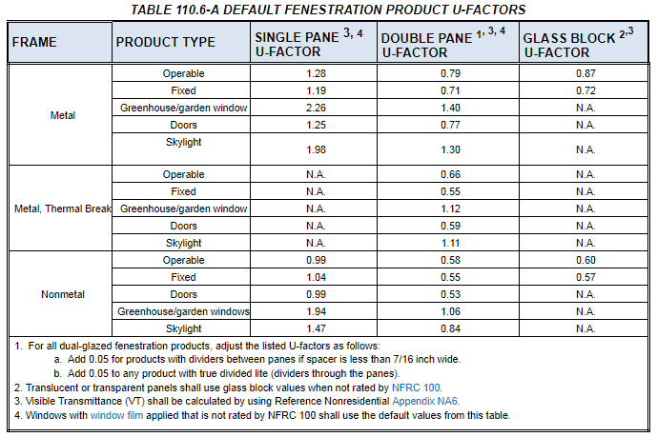
 | Yes | Non-metal | Single Pane
 | No | Metal | Double Pane
 |  | Metal w Thermal Break

 | 20 dropdown | 21 dropdown | 22 dropdown | 23 dropdown | 24 dropdown
 | Yes | Yes | Non-metal | Single Pane | Yes
 | No | No | Metal | Double Pane | No
 |  |  | Metal w Thermal Break | Double Pane- w/ spacers
 |  |  |  | Double Pane- divided lite | 24 dropdown
 |  |  |  | Glass Block | No

 |  |  |  | 23 dropdown |  | 31 dropdown
 |  |  |  | Double Pane |  | North-facing
 |  |  |  | Double Pane- w/ spacers |  | South-facing
 |  |  |  | Double Pane- divided lite |  | East/West-facing

 |  |  |  | 23 dropdown
 |  |  |  | Single Pane
Skylights- Total Area |  |  |  | Double Pane
01 | 02 | 03 | 04 | Double Pane- w/ spacers
Atria > 55ft? | Gross Exterior Roof Area (ft²) | Maximum Allowed Skylight Area1 (ft²) | Total Skylight Area per Design (ft²) | Double Pane- divided lite
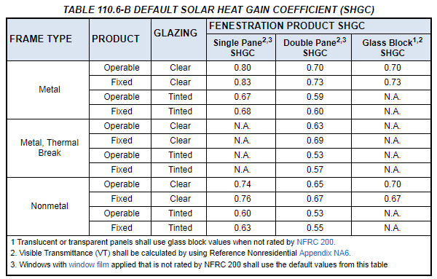
(pull down)
1 FOOTNOTE: 5% of total roof area allowed for areas other than artia > 55ft. 10% allowed for atria > 55ft.

01 dropdown
Yes
No

Skylights- U-factor, Solar Heat Gain Coefficient (SHGC), Visible Transmittance (VT)
01 | ¨ | Calculate Area-Weighted Average U-factor for Skylights1
02 | ¨ | Calculate Area-Weighted Average SHGC for Skylights1
03 | ¨ | Calculate Area-Weighted Average VT for Skylights1
04 | 05 | 06 | 07 | 08 | 09 | 10 | 11 | 12
Tag/Plan ID | Fenestration Type | Occupancy & Status | Calculation Method for Performance Values per Design2 | Glaze/ Diffuser with Haze Value > 90%? | Product Performance Unit | Required Product Performance | Product Performance per Design | Area (ft2)

 | (pull down) | (pull down) | (pull down) | (pull down) | U-factor (max) | look up
 |  |  |  |  | SHGC (max) | look up
 |  |  |  |  | VT (min) | look up
 | 13 | 14 | 15 | 16
 | NA6 Default Calculation
 | Frame Type | Product Performance Unit | Center of Glass (COG) Product Performance | Product Performance per NA6 |  |  |  |  |  |  | Equation 140.3-A to calc RSHGC resulting from overhang
 | (pull down) | U-factor |  | See NA6.2 eq. to right
 |  | SHGC |  | See NA6.3 eq. to right
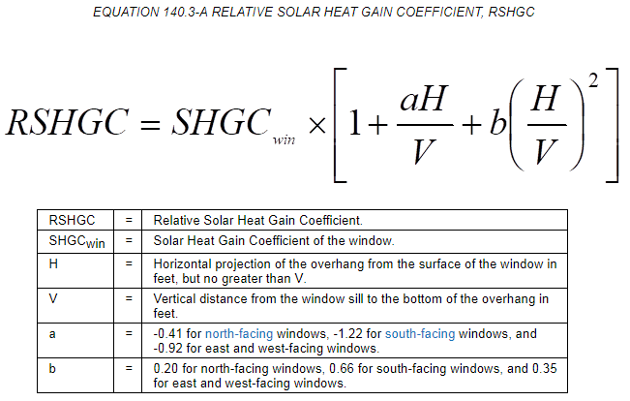
 |  | VT |  | See NA6.4 eq. to right
 | 17 | 18 | 19 | 20 | 21
 | §110.6 Default Tables
 | Operable/Fixed | Frame Type | Glazing Type | Glazing Tint | Product Performance per Default 110.6 Tables
 | (pull down) | (pull down) | (pull down) | (pull down) | U-factor | See 110.6 Tables to the right
 |  |  |  |  | SHGC | See 110.6 Tables to the right
 |  |  |  |  | VT | See NA6.4 values to right
22 | Total Skylight Area using NA6 Default:2 |  |  | equals sum of column 11 for all areas which select "NA6" in column 07. | "COMPLIES" or "DOES NOT COMPLY". Complies if column to the left is < 200ft2, otherwise, DNC.
1 FOOTNOTE: If any individual skylight product is non-compliant, products may show compliance using an area-weighted calculation. Chromogenic glazing is not included in area-weighted calculations. Area-weighted calculations shown in separate area-weighted table below. |  |  |  |  |  | Reset | Add Row | Remove Last
2 The NA6 Default Calculation can only be used for buildings with less than 200 ft2 of site built glazing. If the project has greater than 200 ft2, the only options for determining fenestration values are NFRC Certification or the Default Tables in §110.6.

 | 05 dropdown | 06 dropdown | 07 dropdown | 08 Dropdown
 | Glass, curb mounted | Nonresidential/ Relocatable 1 CZ: New | NFRC Certified | Yes
 | Glass, deck mounted | High-rise Res/ Hotel/ Motel: New | NA6 Default (COG)2 | NA: No direct sun on skylight
 | Plastic, curb mounted | Relocatable all CZ: New | §110.6 Defaults
 | Chromogenic Glazing | Nonresidential/ Relocatable 1 CZ: Alt. (Add/Replacement > 50ft2)
 | Tubular Daylight Devices | High-rise Res/ Hotel/ Motel: Alt. (Add/Replacement > 50ft2)
 |  | Relocatable all CZ: Alt. (Add/Replacement > 50ft2)
 | 13 dropdown | Nonresidential/ Relocatable 1 CZ: Alt. (Add/Replacement <= 50ft2)
 | Non-metal | High-rise Res/ Hotel/ Motel: Alt. (Add/Replacement <= 50ft2)
 | Metal | Relocatable all CZ: Alt. (Add/Replacement <= 50ft2)
 | Metal w Thermal Break

 | 17 dropdown | 18 dropdown | 19 dropdown | 20 dropdown
 | Operable | Non-metal | Single Pane | Yes
 | Fixed | Metal | Double Pane | No
 |  | Metal w Thermal Break
 |  |  | 19 dropdown
 |  |  | Double Pane

Glazed Doors- U-factor, Solar Heat Gain Coefficient (SHGC), Visible Transmittance (VT)
01 | ¨ | Calculate Area-Weighted Average U-factor for Glazed Doors1
02 | ¨ | Calculate Area-Weighted Average SHGC for Glazed Doors1
03 | ¨ | Calculate Area-Weighted Average VT for Glazed Doors1
04 | 05 | 06 | 07 | 08 | 09 | 10 | 11
Tag/Plan ID | Name/ Description | Occupancy Type | Calculation Method for Performance Values per Design2 | Product Performance Unit | Required Product Performance | Product Performance per Design | Area (ft2)

 |  | (pull down) | (pull down) | U-factor (max) | look up
 |  |  |  | SHGC (max) | look up
 |  |  |  | VT (min) | look up
 | 12 | 13 | 14 | 15
 | NA6 Default Calculation
 | Frame Type | Product Performance Unit | Center of Glass (COG) Product Performance | Product Performance per NA6
 | (pull down) | U-factor |  | See NA6.2 eq. to right
 |  | SHGC |  | See NA6.3 eq. to right
 |  | VT |  | See NA6.4 eq. to right
 | 16 | 17 | 18 | 19
 | §110.6 Default Tables
 | Frame Type | Glazing Type | Glazing Tint | Product Performance per Default 110.6 Tables
 | (pull down) | (pull down) | (pull down) | U-factor | See 110.6 Tables to the right
 |  |  |  | SHGC | See 110.6 Tables to the right
 |  |  |  | VT | See NA6.4 values to right
20 | Total Glazed Door Area using NA6 Default:2 |  |  | equals sum of column 11 for all areas which select "NA6" in column 07. | "COMPLIES" or "DOES NOT COMPLY". Complies if column to the left is <= 1,000ft2, otherwise, DNC.
1 FOOTNOTE: If any individual glazed door product is non-compliant, products may show compliance using an area-weighted calculation. Area-weighted calculations shown in separate area-weighted table below. |  |  |  |  | Reset | Add Row | Remove Last
2 The NA6 Default Calculation can only be used for buildings with less than 200 ft2 of site built glazing. If the project has greater than 200 ft2, the only options for determining fenestration values are NFRC Certification or the Default Tables in §110.6.

 |  | 06 Dropdown | 07 dropdown
 |  | Nonresidential/ Relocatable 1 CZ | NFRC Certified
 |  | High-rise Res/ Hotel/ Motel | NA6 Default (COG)2
 |  | Relocatable all CZ | §110.6 Defaults

 | 12 dropdown
 | Non-metal
 | Metal
 | Metal w Thermal Break

 | 16 dropdown | 17 dropdown | 18 dropdown
 | Non-metal | Single Pane | Yes
 | Metal | Double Pane | No
 | Metal w Thermal Break | Double Pane- w/ spacers
 |  | Double Pane- divided lite

 |  | 17 dropdown
 |  | Double Pane
 |  | Double Pane- w/ spacers
 |  | Double Pane- divided lite

Area-Weighted Average U-factor, SHGC, VT Compliance Calculation for Vertical Fenestration and Glazed Doors
01 | 02 | 03 | 04 | 05
Product Performance Unit | Total Area of Fenestration (ft2) | Area-weighted Calculation for Fenestration |  | Compliance Results Using Area-Weighted Calculation Option
 |  | Required | Designed
U-Factor | Ben, sum of "Area (ft2)" column for the subtables | = (sum (required performance x area))/ total area of fenestration | = (sum (U-factor per Design x area))/ total area of fenestration | COMPLIES or DOES NOT COMPLY
(R)SHGC | Ben, sum of "Area (ft2)" column for the subtables | = (sum (required performance x area))/ total area of fenestration | = (sum (RSHGC per Design x area))/ total area of fenestration | COMPLIES or DOES NOT COMPLY
VT | Ben, sum of "Area (ft2)" column for the subtables | = (sum (required performance x area))/ total area of fenestration | = (sum (VT per Design x area))/ total area of fenestration | COMPLIES or DOES NOT COMPLY

Area-Weighted Average U-factor, SHGC, VT Compliance Calculation for Skylights
01 | 02 | 03 | 04 | 05
Product Performance Unit | Total Area of Skylights | Area-weighted Calculation for Skylights |  | Compliance Results Using Area-Weighted Calculation Option
 |  | Required | Designed
U-Factor | Ben, sum of "Area (ft2)" column for the subtable | = (sum (required performance x area))/ total area of skylights | = (sum (U-factor per Design x area))/ total area of skylights | COMPLIES or DOES NOT COMPLY
(R)SHGC | Ben, sum of "Area (ft2)" column for the subtable | = (sum (required performance x area))/ total area of skylights | = (sum (RSHGC per Design x area))/ total area of skylights | COMPLIES or DOES NOT COMPLY
VT | Ben, sum of "Area (ft2)" column for the subtable | = (sum (required performance x area))/ total area of skylights | = (sum (VT per Design x area))/ total area of skylights | COMPLIES or DOES NOT COMPLY

